1257
FOTON BJ1257
Type |  |  | Heavy Duty Truck
Function | Rigid |  | 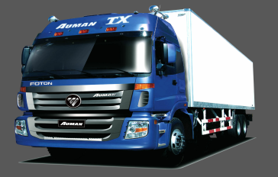
Sub-brand | ETX
Drive type | 6×4
Working condition | Heavy load condition
Model No. | 1257VMPJP-00ZA01
Dimension | Chassis dimension （L×W×H）（mm） |  | 12000X2495X3100
 | Overall vehicle dimension （L×W×H） |  | 11790X2495X2990
 | Wheelbase（mm） |  | 5700+1350
Weight | GVW/GCW(T) |  | 55T
 | Kerb weight（T） |  | 10.726
 | Chassis weight（T） |  | 9.376
Main performance parameter | Maximum speed （km/h） |  | 84(5.286)
 | Economical speed（km/h）（full load） |  | 60-75
 | Max gradability ，%（full load） |  | 38.7(5.286)
Cabin System | Type of cabin |  | Flat roof
 | Cab front suspension |  | Mechanic
 | Cab rear suspension |  | coil spring
 | Cab flip |  | Manual
 | Rearview mirror |  | Manual
 | Driver Seat |  | Air
 | Co-driver Seat |  | Mechanical
 | Sleeper |  | Single
 | Windows |  | Manual
 | Sunroof |  | None
 | Instrument Panel |  | Digit/MP3+radio
Driveline System | Engine Model |  | WD615.50
 | Max power(kw/ps/r-min） |  | 290(2200)
 | Max torque(N•m（r/min） |  | 1350(1300-1500)
 | Displacement (L) |  | 9.726
 | Emission level |  | EURO2
 | Technical route(common rail/mechenic pump) |  | Mechanical pump
 | Cylinder Brake |  | WEVB
 | Clutch |  | ￠430
 | Gear box | Transmission Model | RTD11509C(Q)
 |  | Type | 9MT
 |  | Ratio | i1:12.44;R1:13.02
 |  | PTO | PTO
 | Hydraulic retarder(with/without) |  | None
 | Axle | Front | 7.5T/drum brake
 |  | Rear | 13T/5.73/drum brake
 | Air filter |  | Desert air filter
 | Exhaust Muffler |  | Square Backwards
Chassis System | Frame specification |  | 243/320X90X(8+7)
 | Suspension | Front | Spring/9
 |  | Rear | Spring/12
 | Steering Gear box |  | CQ8111d
 | Tyre model (standard ) |  | 12R22.5
 | Fuel tank volume/material |  | 380L

