M4
Type
Function | Rigid |  | 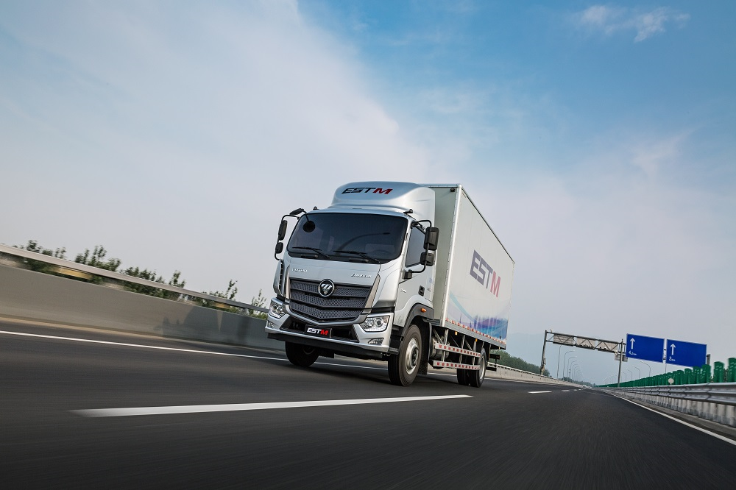
Sub-brand | ETX
Drive type | 4×2
Working condition | Heavy load condition
Model No. | 1226VMPHN-02DA01
Dimension | Chassis dimension （L×W×H）（mm） |  | 9840×2460×2780
 | Cargo dimension(inside)（L×W×H） |  | 7800×2450×600
 | Wheelbase（mm） |  | 5750
Weight | GVW/GCW(T) |  | 22T
 | Kerb weight（T） |  | 6.88
 | Chassis weight（T） |  | 5.56
Main performance parameter | Maximum speed （km/h） |  | 105（4.875）
 | Economical speed（km/h）（full load） |  | 60-70
Cabin System | Cab front suspension |  | Mechanic
 | Cab rear suspension |  | Mechanic
 | Cab flip |  | Manual
 | Rearview mirror |  | Manual
 | Driver Seat |  | Knit cushioning seat
 | Co-driver Seat |  | Mechanical
 | Sleeper |  | Single
 | Windows |  | Manual
 | Instrument Panel |  | MP5/Reverse image / Navigation /Multi-function steering wheel
Driveline System | Engine Model |  | YC6A240-33
 | Max power(kw/ps/r-min） |  | 177
 | Max torque(N•m（r/min） |  | 900
 | Displacement (L) |  | 7.225
 | Emission level |  | EURO2
 | Technical route(common rail/mechenic pump) |  | Mechanical pump
 | Cylinder Brake |  | Exhaust Brake
 | Clutch |  | φ430×φ240
 | Gear box | Transmission Model | 8JS105TA
 |  | Type | 8MT
 |  | PTO | None
 | Hydraulic retarder(with/without) |  | None
Chassis System | Frame specification |  | 250
 | Suspension | Front | Spring/10
 |  | Rear | Spring/10+8
 | Tyre model (standard ) |  | 11R22.5
 | Fuel tank volume/material |  | 200L

